SDG10
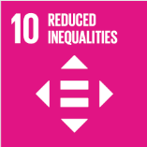
No. | Sustainable Development Goal
10 | Reduced Inequalities |  |  | 81.7%

Code | Sub-Goal | 2025
 |  | Achieved | Target | A/T%
A | University scientific research on reduced inequalities | 87.00 | 100.00 | 87.0%
B | University support for underrepresented groups | 1196.00 | 1800.00 | 66.4%
C | Achieve university enviroment free of discrimination at all levels | 78.00 | 85.00 | 91.8%

Reduced Inequalities

