SDG11
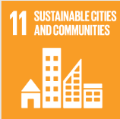
No. | Sustainable Development Goal
11 | Sustainable Cities and Communities |  |  | 87.6%

Code | Sub-Goal | 2025
 |  | Achieved | Target | A/T%
A | University Scientific research on sustainable cities and communities | 176.00 | 195.00 | 90.3%
B | Sustainable practices (Affrodable housing) | 10.00 | 12.00 | 83.3%
C | Collaboration wih local authority in planning and development issues | 25.00 | 28.00 | 89.3%

Sustainable Cities and Communities

