SDG12
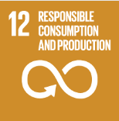
No. | Sustainable Development Goal
12 | Responsible Consumption and Production |  |  | 92.8%

Code | Sub-Goal | 2025
 |  | Achieved | Target | A/T%
A | University scientific research on Responsible consumption and production | 164.00 | 150.00 | 109.3%
B | Developed operations for waste mangenet | 5.00 | 6.00 | 83.3%
C | Redude use of plastic and papre in campus | 60.00 | 70.00 | 85.7%

Responsible Consumption and Production

