SDG13
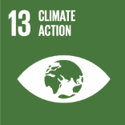
No. | Sustainable Development Goal
13 | Climate Action |  |  | 86.9%

Code | Sub-Goal | 2025
 |  | Achieved | Target | A/T%
A | University scientific research on climate action | 86.00 | 100.00 | 86.0%
B | Incease the dependence on low carbon energy | 2130.00 | 2460.00 | 86.6%
C | Increase environmental collaboration with NGOs | 15.00 | 17.00 | 88.2%

Climate Action

