SDG14
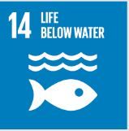
No. | Sustainable Development Goal
14 | Life Below Water |  |  | 81.4%

Code | Sub-Goal | 2025
 |  | Achieved | Target | A/T%
A | University reaserch on life below water | 20.00 | 25.00 | 80.0%
B | Supporting aquatic ecosystems through education | 5.00 | 7.00 | 71.4%
C | Supporting aquatic ecosystems through reducing water pollution preventing | 13.00 | 14.00 | 92.9%

Life Below Water

