SDG15
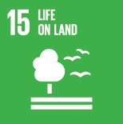
No. | Sustainable Development Goal
15 | Life On Land |  |  | 85.6%

Code | Sub-Goal | 202500.0%
 |  | Achieved | Target | A/T%
A | University scientific research for life on land | 32.00 | 35.00 | 91.4%
B | Supporting land ecosystems through education | 10.00 | 12.00 | 83.3%
C | Maintain and extend current ecosyststems biodiversity | 45.00 | 60.00 | 75.0%
D | local community collaboration | 111.00 | 120.00 | 92.5%

Life On Land

