SDG16
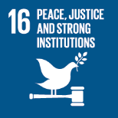
No. | Sustainable Development Goal
16 | Peace, Justice and Strong institutions |  |  | 86.9%

Code | Sub-Goal | 2025
 |  | Achieved | Target | A/T%
A | University scientific research on peace, justice and strong institutions | 138.00 | 150.00 | 92.0%
B | supporting freedom for university community | 31.00 | 35.00 | 88.6%
C | Working with government | 4.00 | 5.00 | 80.0%

Peace, Justice and Strong institutions

