SDG1
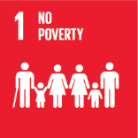
No. | Sustainable Development Goal
1 | No poverty |  |  | 88.7%

Code | KPI's | 2025
 |  | Achieved | Target | A/T%
A | University Scientific research poverty | 28.0 | 30.0 | 93.3%
B | Supporting Poor Students | 30725.0 | 39006.0 | 78.8%
C | Community anti-poverty programmes | 141.0 | 150.0 | 94.0%

No poverty

SDG2
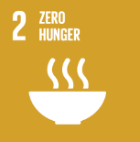
No. | Sustainable Development Goal
2 | Zero Hunger |  |  | 86.9%

Code | Sub-Goal | 2025
 |  | Achieved | Target | A/T%
A | University Scientific research for fighting hunger | 69.00 | 75.00 | 92.0%
B | University Programs for fighting sutdents food insequrity | 7.00 | 8.00 | 87.5%
C | Proportion of graduates in agriculture and aquaculture including sustainability aspects | 435.00 | 520.00 | 83.7%
D | National hunger | 11.00 | 13.00 | 84.6%

Zero Hunger

SDG3
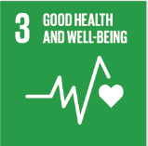
No. | Sustainable Development Goal
3 | Good Health and Well Being |  |  | 87.9%

Code | Sub-Goal | 2025
 |  | Achieved | Target | A/T%
A | University Scientific research for good health and well being | 760.00 | 790.00 | 96.2%
B | Proportion of graduatesof students graduating in health professions | 362.00 | 460.00 | 78.7%
C | health edaucation and awarness | 55.00 | 65.00 | 84.6%
D | local community services | 23.00 | 25.00 | 92.0%
E | Collaborations and health services | 15.00 | 17.00 | 88.2%

Good Health and Well Being

SDG4
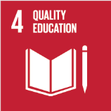
No. | Sustainable Development Goal
4 | Quality Education |  |  | 91.2%

Code | Sub-Goal | 2025
 |  | Achieved | Target | A/T%
A | University scientific reaserch on Quality education | 281.00 | 310.00 | 90.6%
B | Provide access to educational resources for those not studying at the university | 75.00 | 82.00 | 91.5%
C | Proportion of graduates with teaching qualification | 105.00 | 115.00 | 91.3%
D | Vocational training and outreach education events | 73.00 | 80.00 | 91.3%

Quality Education

SDG5
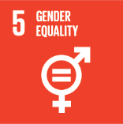
No. | Sustainable Development Goal
5 | Gender Equality |  |  | 82.6%

Code | Sub-Goal | 2025
 |  | Achieved | Target | A/T%
A | University Scientific Research on Gender Equality | 61.00 | 70.00 | 87.1%
B | Proportion of senior female | 51.00 | 60.00 | 85.0%
C | Women’s progress measures | 12.00 | 16.00 | 75.0%
D | Collaboration with other universities, community groups, government or NGOs in regional or national | 20.00 | 24.00 | 83.3%

Gender Equality

SDG6
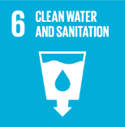
No. | Sustainable Development Goal
6 | Clean Water and Sanitation |  |  | 81.4%

Code | Sub-Goal | 2025
 |  | Achieved | Target | A/T%
A | Scientific research on clean water and sanitation | 171.00 | 185.00 | 92.4%
B | Increasing dependence on treated water | 50.00 | 65.00 | 76.9%
C | Conservation of quality and quantity of water | 4.00 | 6.00 | 66.7%
D | Water education programmes | 7.00 | 8.00 | 87.5%
E | Community water programmes | 10.00 | 12.00 | 83.3%

Clean Water and Sanitation

SDG7
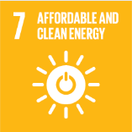
No. | Sustainable Development Goal
7 | Affordable and Clean Energy |  |  | 88.7%

Code | Sub-Goal | 2025
 |  | Achieved | Target | A/T%
A | Scientific research for affordable and clean energy | 293.00 | 320.00 | 91.6%
B | Increasing dependence on clean energy kilowatt hour | 13773400.00 | 14646953.00 | 94.0%
C | Green energy education programmes | 5.00 | 6.00 | 83.3%
D | Reduction of carbon emission | 174.80 | 150.00 | 85.8%

Affordable and Clean Energy

SDG8
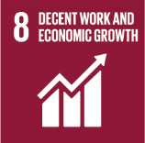
No. | Sustainable Development Goal
8 | Decent work and Economic Growth |  |  | 85.6%

Code | Sub-Goal | 2025
 |  | Achieved | Target | A/T%
A | Scientific research for decent work and economic growth | 170.00 | 200.00 | 85.0%
B | Good employment practices | 73.00 | 80.00 | 91.3%
C | Commitment against forced labour, modern slavery, human trafficking and child labour | 5.00 | 7.00 | 71.4%
D | secure and innovative work place | 90.00 | 95.00 | 94.7%

Decent work and Economic Growth

SDG9
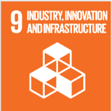
No. | Sustainable Development Goal
9 | Industry, Innovation and Infrastructure |  |  | 79.8%

Code | Sub-Goal | 2025
 |  | Achieved | Target | A/T%
A | Scientific research on Industry, Innovation and Infrastructure | 315.00 | 350.00 | 90.0%
B | Increase university research income | 30963523.00 | 33985057.00 | 91.1%
C | Nn of Startups | 8.00 | 12.00 | 66.7%
D | Innovative eduacion Environment | 5.00 | 7.00 | 71.4%

Industry, Innovation and Infrastructure

SDG10
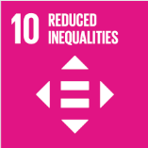
No. | Sustainable Development Goal
10 | Reduced Inequalities |  |  | 81.7%

Code | Sub-Goal | 2025
 |  | Achieved | Target | A/T%
A | University scientific research on reduced inequalities | 87.00 | 100.00 | 87.0%
B | University support for underrepresented groups | 1196.00 | 1800.00 | 66.4%
C | Achieve university enviroment free of discrimination at all levels | 78.00 | 85.00 | 91.8%

Reduced Inequalities

SDG11
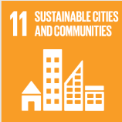
No. | Sustainable Development Goal
11 | Sustainable Cities and Communities |  |  | 87.6%

Code | Sub-Goal | 2025
 |  | Achieved | Target | A/T%
A | University Scientific research on sustainable cities and communities | 176.00 | 195.00 | 90.3%
B | Sustainable practices (Affrodable housing) | 10.00 | 12.00 | 83.3%
C | Collaboration wih local authority in planning and development issues | 25.00 | 28.00 | 89.3%

Sustainable Cities and Communities

SDG12
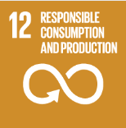
No. | Sustainable Development Goal
12 | Responsible Consumption and Production |  |  | 92.8%

Code | Sub-Goal | 2025
 |  | Achieved | Target | A/T%
A | University scientific research on Responsible consumption and production | 164.00 | 150.00 | 109.3%
B | Developed operations for waste mangenet | 5.00 | 6.00 | 83.3%
C | Redude use of plastic and papre in campus | 60.00 | 70.00 | 85.7%

Responsible Consumption and Production

SDG13
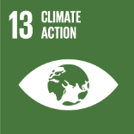
No. | Sustainable Development Goal
13 | Climate Action |  |  | 86.9%

Code | Sub-Goal | 2025
 |  | Achieved | Target | A/T%
A | University scientific research on climate action | 86.00 | 100.00 | 86.0%
B | Incease the dependence on low carbon energy | 2130.00 | 2460.00 | 86.6%
C | Increase environmental collaboration with NGOs | 15.00 | 17.00 | 88.2%

Climate Action

SDG14
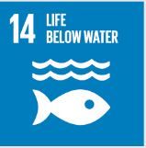
No. | Sustainable Development Goal
14 | Life Below Water |  |  | 81.4%

Code | Sub-Goal | 2025
 |  | Achieved | Target | A/T%
A | University reaserch on life below water | 20.00 | 25.00 | 80.0%
B | Supporting aquatic ecosystems through education | 5.00 | 7.00 | 71.4%
C | Supporting aquatic ecosystems through reducing water pollution preventing | 13.00 | 14.00 | 92.9%

Life Below Water

SDG15
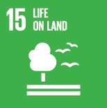
No. | Sustainable Development Goal
15 | Life On Land |  |  | 85.6%

Code | Sub-Goal | 202500.0%
 |  | Achieved | Target | A/T%
A | University scientific research for life on land | 32.00 | 35.00 | 91.4%
B | Supporting land ecosystems through education | 10.00 | 12.00 | 83.3%
C | Maintain and extend current ecosyststems biodiversity | 45.00 | 60.00 | 75.0%
D | local community collaboration | 111.00 | 120.00 | 92.5%

Life On Land

SDG16
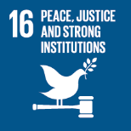
No. | Sustainable Development Goal
16 | Peace, Justice and Strong institutions |  |  | 86.9%

Code | Sub-Goal | 2025
 |  | Achieved | Target | A/T%
A | University scientific research on peace, justice and strong institutions | 138.00 | 150.00 | 92.0%
B | supporting freedom for university community | 31.00 | 35.00 | 88.6%
C | Working with government | 4.00 | 5.00 | 80.0%

Peace, Justice and Strong institutions

SDG17
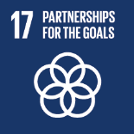
No. | Sustainable Development Goal
17 | Partnership for the Goals |  |  | 87.9%

Code | Sub-Goal | 2025
 |  | Achieved | Target | A/T%
A | National and international Partnerships for Supporing SDGs | 120 | 140 | 85.7%
B | Publication of SDG reports | 5 | 6 | 83.3%
C | Education for the SDGs | 87 | 92 | 94.6%

Partnership for the Goals

