SDG1
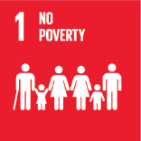
No. | Sustainable Development Goal
1 | No poverty |  |  | 88.7%

Code | KPI's | 2025
 |  | Achieved | Target | A/T%
A | University Scientific research poverty | 28.0 | 30.0 | 93.3%
B | Supporting Poor Students | 30725.0 | 39006.0 | 78.8%
C | Community anti-poverty programmes | 141.0 | 150.0 | 94.0%

No Poverty

