SDG2
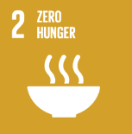
No. | Sustainable Development Goal
2 | Zero Hunger |  |  | 86.9%

Code | Sub-Goal | 2025
 |  | Achieved | Target | A/T%
A | University Scientific research for fighting hunger | 69.00 | 75.00 | 92.0%
B | University Programs for fighting sutdents food insequrity | 7.00 | 8.00 | 87.5%
C | Proportion of graduates in agriculture and aquaculture including sustainability aspects | 435.00 | 520.00 | 83.7%
D | National hunger | 11.00 | 13.00 | 84.6%

Zero Hunger

