SDG3
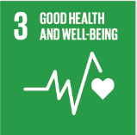
No. | Sustainable Development Goal
3 | Good Health and Well Being |  |  | 87.9%

Code | Sub-Goal | 2025
 |  | Achieved | Target | A/T%
A | University Scientific research for good health and well being | 760.00 | 790.00 | 96.2%
B | Proportion of graduatesof students graduating in health professions | 362.00 | 460.00 | 78.7%
C | health edaucation and awarness | 55.00 | 65.00 | 84.6%
D | local community services | 23.00 | 25.00 | 92.0%
E | Collaborations and health services | 15.00 | 17.00 | 88.2%

Good Health and Well Being

