SDG4
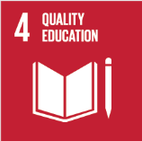
No. | Sustainable Development Goal
4 | Quality Education |  |  | 91.2%

Code | Sub-Goal | 2025
 |  | Achieved | Target | A/T%
A | University scientific reaserch on Quality education | 281.00 | 310.00 | 90.6%
B | Provide access to educational resources for those not studying at the university | 75.00 | 82.00 | 91.5%
C | Proportion of graduates with teaching qualification | 105.00 | 115.00 | 91.3%
D | Vocational training and outreach education events | 73.00 | 80.00 | 91.3%

Quality Education

