SDG5
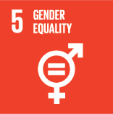
No. | Sustainable Development Goal
5 | Gender Equality |  |  | 82.6%

Code | Sub-Goal | 2025
 |  | Achieved | Target | A/T%
A | University Scientific Research on Gender Equality | 61.00 | 70.00 | 87.1%
B | Proportion of senior female | 51.00 | 60.00 | 85.0%
C | Women’s progress measures | 12.00 | 16.00 | 75.0%
D | Collaboration with other universities, community groups, government or NGOs in regional or national | 20.00 | 24.00 | 83.3%

Gender Equality

