SDG6
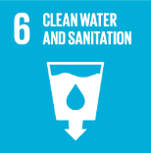
No. | Sustainable Development Goal
6 | Clean Water and Sanitation |  |  | 81.4%

Code | Sub-Goal | 2025
 |  | Achieved | Target | A/T%
A | Scientific research on clean water and sanitation | 171.00 | 185.00 | 92.4%
B | Increasing dependence on treated water | 50.00 | 65.00 | 76.9%
C | Conservation of quality and quantity of water | 4.00 | 6.00 | 66.7%
D | Water education programmes | 7.00 | 8.00 | 87.5%
E | Community water programmes | 10.00 | 12.00 | 83.3%

Clean Water and Sanitation

