SDG7
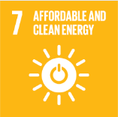
No. | Sustainable Development Goal
7 | Affordable and Clean Energy |  |  | 88.7%

Code | Sub-Goal | 2025
 |  | Achieved | Target | A/T%
A | Scientific research for affordable and clean energy | 293.00 | 320.00 | 91.6%
B | Increasing dependence on clean energy kilowatt hour | 13773400.00 | 14646953.00 | 94.0%
C | Green energy education programmes | 5.00 | 6.00 | 83.3%
D | Reduction of carbon emission | 174.80 | 150.00 | 85.8%

Affordable and Clean Energy

