SDG8
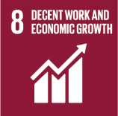
No. | Sustainable Development Goal
8 | Decent work and Economic Growth |  |  | 85.6%

Code | Sub-Goal | 2025
 |  | Achieved | Target | A/T%
A | Scientific research for decent work and economic growth | 170.00 | 200.00 | 85.0%
B | Good employment practices | 73.00 | 80.00 | 91.3%
C | Commitment against forced labour, modern slavery, human trafficking and child labour | 5.00 | 7.00 | 71.4%
D | secure and innovative work place | 90.00 | 95.00 | 94.7%

Decent work and Economic Growth

