SDG9
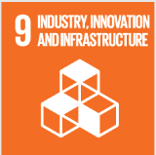
No. | Sustainable Development Goal
9 | Industry, Innovation and Infrastructure |  |  | 79.8%

Code | Sub-Goal | 2025
 |  | Achieved | Target | A/T%
A | Scientific research on Industry, Innovation and Infrastructure | 315.00 | 350.00 | 90.0%
B | Increase university research income | 30963523.00 | 33985057.00 | 91.1%
C | Nn of Startups | 8.00 | 12.00 | 66.7%
D | Innovative eduacion Environment | 5.00 | 7.00 | 71.4%

Industry, Innovation and Infrastructure

